NSE GRASIM
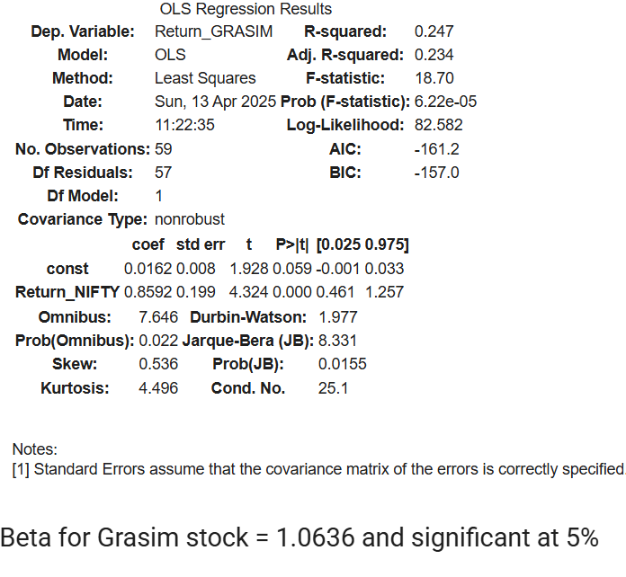

NSE ITC
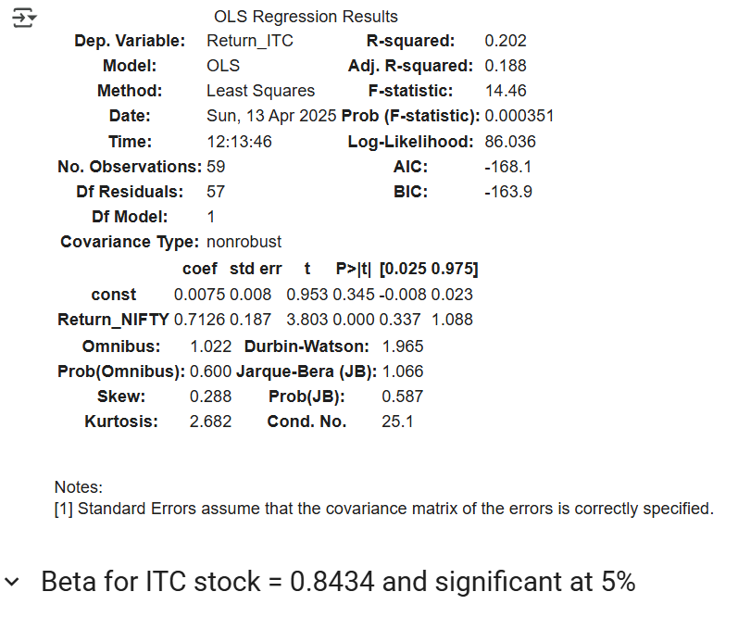

NSE SRF


NSE LINDE INDIA
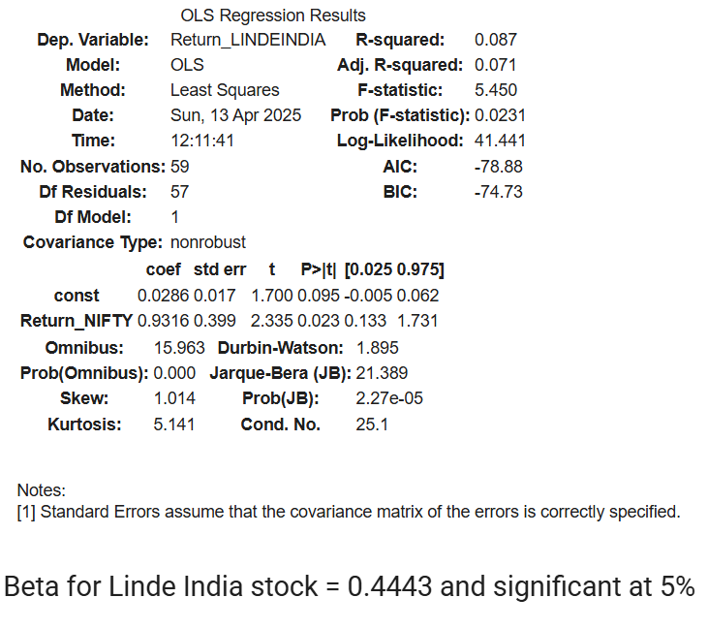

NSE 3M INDIA
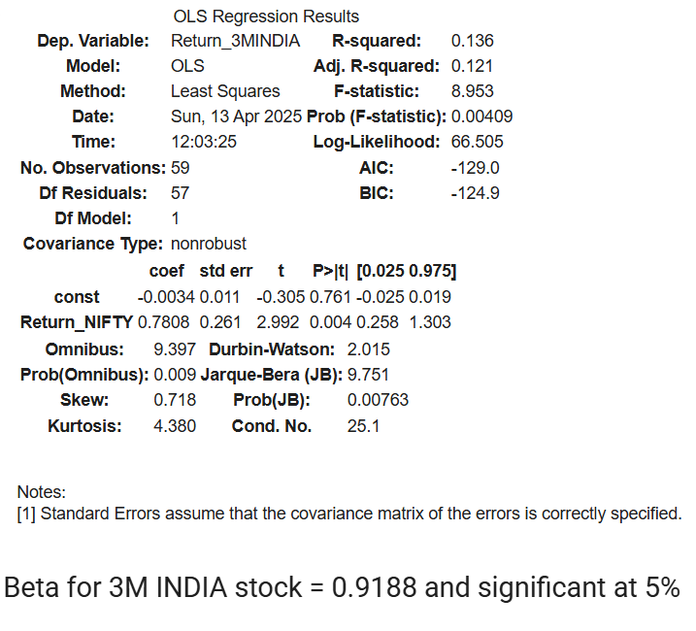

WACC Using Top Down Approach
SUMMARY STATISTICS FOR GRASIM

Regression Statistics
No. of ONSErvations | 59
R-squared | 0.247
Adjusated R-squared | 0.234
F-statistic | 18.7

 | coeffecients | standard error | t statistics | P>|t| | [0.025 | 0.975]
const | 0.0162 | 0.008 | 1.928 | 0.059 | -0.001 | 0.033
Return_NIFTY | 0.8592 | 0.199 | 4.324 | 0 | 0.461 | 1.257

Beta | 1.0636
Risk free Rate | 5.63%
Market Returns | 18.57%
Cost of Equity | 19.39%
Cost of Debt | 8.13%
D/E | 1.7
E/V for GRASIM | 0.99
D/V for GRASIM | 0.461
Tax Rate | 25%
WACC | 0.2201000166
 | 22.01%

Cost of Equity Capital | 19.39%
Pre Tax Cost of debt | 8.30%
WACC | 22.01%

WACC Using Bottom Up Approach
WACC USING BOTTOM UP

Company | Beta | Debt to Equity | Tax Rate | Unlevered Beta |  | **Corporate tax rate assumed to be 25% by industry standard
NSE: GRASIM | 1.0636 | 1.7 | 0.25 | 0.46751648352
NSE: ITC | 0.8434 | 0 | 0.25 | 0.8434
NSE: SRF | 0.0994 | 0.44 | 0.25 | 0.074736842105
NSE: LINDE INDIA | 0.4443 | 0.01 | 0.25 | 0.44099255583
NSE: 3M INDIA | 0.9188 | 0.01 | 0.25 | 0.91196029777

 |  |  |  | Unlevered Beta Average | 0.56777242393

 |  |  |  | Beta Levered for Grasim: | 1.057

 |  |  |  | D/E for Grasim | 1.7
 |  |  |  | D/V for Grasim | 0.99
 |  |  |  | E/V for Grasim | 0.461

 |  |  |  | Tax Rate | 0.25
 |  |  |  | Rs (Cost of Equity) | 17.75379
 |  |  |  |  | Rf (Risk Free Rate)(In %) | Rm (Market Return)(In %)
 |  |  |  | Annual Return | 5.63 | 17.1
 |  |  |  | Average Return | 5.63 | 18.57

 |  |  |  | Rb (Cost of Debt) | 8.3

 |  |  |  | WACC | 0.1434724719
 |  |  |  |  | 14.34%

Company | Beta | Unlevered Beta
NSE: GRASIM | 1.0636 | 0.46751648352
NSE: ITC | 0.8434 | 0.8434
NSE: SRF | 0.0994 | 0.074736842105
NSE: LINDE INDIA | 0.4443 | 0.44099255583
NSE: 3M INDIA | 0.9188 | 0.91196029777

Cost of Equity Capital | 17.75%
WACC | 14.34%
Pre Tax Cost of debt | 8.30%

